Evaluation matrix
Evaluation matrix according to BIA

 |  | Risk matrix |  |  |  | Probability = Likelihood = Wahrscheinlichkeit
 | Illustration highlights the possible combinations of Impact and Probability, resulting in various Risk Priority Numbers (RPN) |  |  |  |  | Category | Value | Decription per DT Corporate Risk management | Description per FCH
 |  | Probability |  |  |  | High/Hoch | 50%-100% | Occurrence of risk is more likely, than non-occurrence. | Occurs several times a year.
 |  | Very Low | Low | Medium | High | Medium/Mittel | 25<50 | Risk is already very concrete, the occurence might be expected. | Occurs once a year
Impact | Very High | 8 | 12 | 15 | 16 | Low/Niedrig | 5<25 | The circumstances and conditions may allow the occurrence of the risk. | Entry in a period of 1-5 years
 | High | 5 | 10 | 13 | 14 | Very low/sehr niedrig | <5 | A possible riks was identified,but its occurrence is unlikely. | Might occur less frequently than every 5 years
 | Medium | 3 | 6 | 9 | 11
 | Low | 1 | 2 | 4 | 7 | Impact = Amount of damage = Schadenshöhe

 |  |  |  |  |  | Category | Value per FCH | Description per FCH
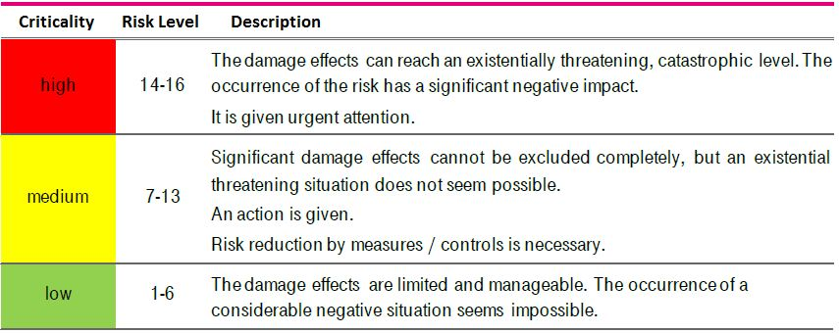 |  |  |  |  |  | Very high | Serious | Very high/irreparable damage, threatening existence >10mil Strong negative external impact (nationwide) Very high impact on safety level Serious violations of laws/regulations/contracts Strong dependency on other IT applications/systems requiring protection
 |  |  |  |  |  | High | Significant | Medium to high damage,can be compensated within several years (between 2 and 10mil) Negative external impact (supraregional) Significant impact on safety level Violation of laws/regulations/contracts Strong dependence on other IT applications/systems
 | 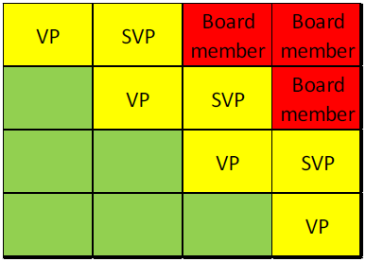 |  |  |  |  | Medium | Moderate | Medium damage,can be compensated within one year between 200tis and 2mil Low negative external impact (only regional) Low impact on safety level Minor violations of laws/regulations/contracts Dependencies on other IT systems/applications
 |  |  |  |  |  | Low | Low | Minor damage, can be compensated immediately <200tis No external impact Low impact on security level No dependence on other IT applications/systems

